Prediction
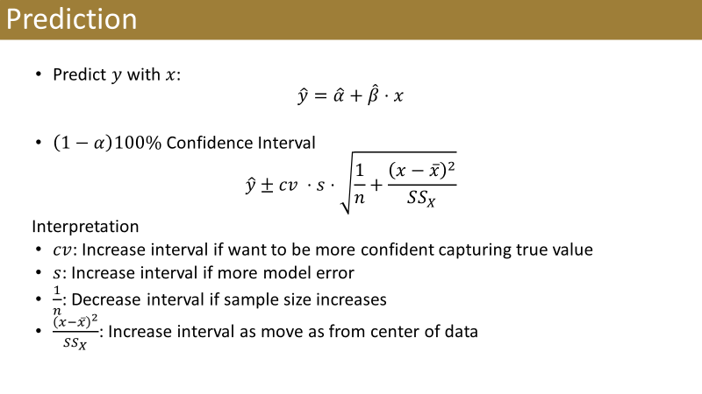
Excess Market Return | Predicted P&G Excess Return | Lower 95% CI | Upper 95% CI
10% |  |  |  | alpha
 |  |  |  | beta
 |  |  |  | n
 |  |  |  | s
 |  |  |  | xbar
 |  |  |  | SSX
 |  |  |  | cv

